ssStartUp, -17 pitch, +10 yaw
 |  | 1x1 CCE Model Load Calculations |  |  |  |  | 8 | 10 | 11 | 12 | 13 | 14 | 15 | 16 | 17 | 18 | 19 | 20 | 21 | 22 | 23 | 24 | 25 | 26 | 27
 |  | LOAD CASE 1: UNSTART | aoa and yaw +/- 10 degrees |  |  |  | -17 pitch, +10 yaw
loads | hidden in case | Surface # | Part | Description | Notes |  | Nominal Pitch(-7) | Load | Min Pitch | (radians) | Load | femap var name | Max Pitch | (radians) | Load | Nominal Yaw | (radians) | Load | Min Yaw | (radians) | Load | Femap var name | Max Yaw | (radians) | Load
loadAct(0)=9.0 |  | 322 | Strut Extender | Front Right | 1 | yaw | 0 | 0 | 0 | 0 | 0 | 1A | 0 | 0 | 0 | 15 | 0.2617993878 | 5.5560684412 | 5 | 0.0872664626 | 1.8709723296 | AI | 25 | 0.436332313 | 9.0723462248
loadAct(1)=8.2 |  | 334 | Strut Extender | Front top | 2 | pitch | -12.5 | 4.6463091924 | -22.5 | -0.3926990817 | 8.2150652426 | 1B | -2.5 | -0.0436332313 | 0.93637738857 | 0 | 0 | 0 | 0 | 0 | 0 | AJ | 0 | 0 | 0
loadAct(2)=3.7 |  | 325 | Strut Extender | Right | 3 | yaw | 0 | 0 | 0 | 0 | 0 | 1C | 0 | 0 | 0 | 0 | 0 | 0 | -10 | -0.1745329252 | 3.72770543 | AK | 10 | 0.1745329252 | 3.72770543
loadAct(3)=1.8 |  | 321 | Strut Extender | Front Left | 4 | yaw | 0 | 0 | 0 | 0 | 0 | 1D | 0 | 0 | 0 | -15 | -0.2617993878 | 5.5560684412 | -25 | -0.436332313 | 9.0723462248 | AL | -5 | -0.0872664626 | 1.8709723296
loadAct(4)=3.7 |  | 344 | Strut Extender | Left | 5 | yaw | 0 | 0 | 0 | 0 | 0 | 1E | 0 | 0 | 0 | 0 | 0 | 0 | -10 | -0.1745329252 | 3.72770543 | AM | 10 | 0.1745329252 | 3.72770543
loadAct(5)=9.0 |  | 514 | Strut | Front Right | 6 | yaw | 0 | 0 | 0 | 0 | 0 | 1F | 0 | 0 | 0 | 15 | 0.2617993878 | 5.5560684412 | 5 | 0.0872664626 | 1.8709723296 | AN | 25 | 0.436332313 | 9.0723462248
loadAct(6)=8.2 |  | 515 | Strut | Front top | 7 | pitch | -12.5 | 4.6463091924 | -22.5 | -0.3926990817 | 8.2150652426 | 1G | -2.5 | -0.0436332313 | 0.93637738857 | 0 | 0 | 0 | 0 | 0 | 0 | AO | 0 | 0 | 0
loadAct(7)=3.7 |  | 534 | Strut | Right | 8 | yaw | 0 | 0 | 0 | 0 | 0 | 1H | 0 | 0 | 0 | 0 | 0 | 0 | -10 | -0.1745329252 | 3.72770543 | AP | 10 | 0.1745329252 | 3.72770543
loadAct(8)=1.8 |  | 510 | Strut | Front Left | 9 | yaw | 0 | 0 | 0 | 0 | 0 | 1I | 0 | 0 | 0 | -15 | -0.2617993878 | 5.5560684412 | -25 | -0.436332313 | 9.0723462248 | AQ | -5 | -0.0872664626 | 1.8709723296
loadAct(9)=3.7 |  | 536 | Strut | Left | 10 | yaw | 0 | 0 | 0 | 0 | 0 | 1J | 0 | 0 | 0 | 0 | 0 | 0 | -10 | -0.1745329252 | 3.72770543 | AR | 10 | 0.1745329252 | 3.72770543
loadAct(10)=6.9 |  | 1969 | Pre-comp Ramp | Front | 11 | pitch | -9 | 3.358178661 | -19 | -0.33161255788 | 6.9889715717 | 1K | 1 | 0.01745329252 | 0.37465080899 | 0 | 0 | 0 | 0 | 0 | 0 | AS | 0 | 0 | 0
loadAct(11)=3.7 |  | 1960 | Pre-comp Ramp | Right | 12 | yaw | 0 | 0 | 0 | 0 | 0 | 1L | 0 | 0 | 0 | 0 | 0 | 0 | -10 | -0.1745329252 | 3.72770543 | AT | 10 | 0.1745329252 | 3.72770543
loadAct(12)=3.9 |  | 2431 | Pre-comp Ramp | top right | 13 | pitch | -0.5 | 0.18733253754 | -10.5 | -0.18325957146 | 3.9120500257 | 1M | 9.5 | 0.16580627894 | 3.543076955 | 0 | 0 | 0 | 0 | 0 | 0 | AU | 0 | 0 | 0
loadAct(13)=3.9 |  | 1966 | Pre-comp Ramp | top left | 14 | pitch | -0.5 | 0.18733253754 | -10.5 | -0.18325957146 | 3.9120500257 | 1N | 9.5 | 0.16580627894 | 3.543076955 | 0 | 0 | 0 | 0 | 0 | 0 | AV | 0 | 0 | 0
loadAct(14)=0.001 |  | 1961 | Pre-comp Ramp | Left | 15 | yaw | 0 | 0 | 0 | 0 | 0 | 1N | 0 | 0 | 0
loadAct(15)=7.6 |  | 2411 | Pre-comp Ramp | Bottom | 16 | pitch | -0.5 | 0.18733253754 | -10.5 | -0.18325957146 | 3.9120500257 | 1N | 9.5 | 0.16580627894 | 3.543076955 | 10 | 0.1745329252 | 3.72770543 | 10 | 0.1745329252 | 3.72770543 | AW | 10 | 0.1745329252 | 3.72770543
loadAct(16)=3.7 |  | 2024 | Right Fence | Front | 17 | yaw | 0 | 0 | 0 | 0 | 0 | 1N | 0 | 0 | 0 | 0 | 0 | 0 | -10 | -0.1745329252 | 3.72770543 | AX | 10 | 0.1745329252 | 3.72770543
loadAct(17)=3.7 |  | 2014 | Right Fence | Right | 18 | yaw | 0 | 0 | 0 | 0 | 0 | 1N | 0 | 0 | 0 | 0 | 0 | 0 | -10 | -0.1745329252 | 3.72770543 | AY | 10 | 0.1745329252 | 3.72770543
loadAct(18)=0.001 |  | 2027 | Right Fence | Left | 19 | yaw | 0 | 0 | 0 | 0 | 0 | 1N | 0 | 0 | 0 | -10 | -0.1745329252 | 3.72770543 | -20 | -0.3490658504 | 7.3421464168 | AZ | 0 | 0 | 0
loadAct(19)=3.7 |  | 2080 | Left Fence | Front | 20 | yaw | 0 | 0 | 0 | 0 | 0 | 1N | 0 | 0 | 0 | 0 | 0 | 0 | -10 | -0.1745329252 | 3.72770543 | B0 | 10 | 0.1745329252 | 3.72770543
loadAct(20)=3.7 |  | 2418 | Left Fence | Left | 21 | yaw | 0 | 0 | 0 | 0 | 0 | 1N | 0 | 0 | 0 | 0 | 0 | 0 | -10 | -0.1745329252 | 3.72770543 | B1 | 10 | 0.1745329252 | 3.72770543
loadAct(21)=3.7 |  | 2093 | Left Fence | Right | 22 | yaw | 0 | 0 | 0 | 0 | 0 | 1N | 0 | 0 | 0 | 0 | 0 | 0 | -10 | -0.1745329252 | 3.72770543 | B2 | 10 | 0.1745329252 | 3.72770543
loadAct(22)=6.2 |  | 2233 | Bottom Fence | Top | 23 | pitch | -7 | 2.6161691949 | -17 | -0.29670597284 | 6.2763433853 | 1N | 3 | 0.05235987756 | 1.1234959727 | 0 | 0 | 0 | 0 | 0 | 0 | B3 | 0 | 0 | 0
loadAct(23)=6.2 |  | 2224 | Bottom Fence | Bottom | 24 | pitch | -7 | 2.6161691949 | -17 | -0.29670597284 | 6.2763433853 | 1N | 3 | 0.05235987756 | 1.1234959727 | 0 | 0 | 0 | 0 | 0 | 0 | B4 | 0 | 0 | 0
loadAct(24)=7.6 |  | 2229 | Bottom Fence | Front | 25 | pitch | 3 | 1.1234959727 | -7 | -0.12217304764 | 2.6161691949 | 1N | 13 | 0.22689280276 | 4.8290242836 | 13.5 | 0.23561944902 | 5.0113716259 | 13.5 | 0.23561944902 | 5.0113716259 | B5 | 13.5 | 0.23561944902 | 5.0113716259
loadAct(25)=3.7 |  | 2130 | Right Fence Strut | Right | 26 | yaw | 0 | 0 | 0 | 0 | 0 | 1N | 0 | 0 | 0 | 0 | 0 | 0 | -10 | -0.1745329252 | 3.72770543 | B6 | 10 | 0.1745329252 | 3.72770543
loadAct(26)=1.3 |  | 2128 | Right Fence Strut | Left | 27 | yaw | 0 | 0 | 0 | 0 | 0 | 1N | 0 | 0 | 0 | -13.5 | -0.23561944902 | 5.0113716259 | -23.5 | -0.41015237422 | 8.5599462626 | B7 | -3.5 | -0.06108652382 | 1.3105289982
loadAct(27)=3.7 |  | 2175 | Left Fence Strut | Left | 28 | yaw | 0 | 0 | 0 | 0 | 0 | 1N | 0 | 0 | 0 | 0 | 0 | 0 | -10 | -0.1745329252 | 3.72770543 | B8 | 10 | 0.1745329252 | 3.72770543
loadAct(28)=3.7 |  | 2171 | Left Fence Strut | Right | 29 | yaw | 0 | 0 | 0 | 0 | 0 | 1N | 0 | 0 | 0 | 0 | 0 | 0 | -10 | -0.1745329252 | 3.72770543 | B9 | 10 | 0.1745329252 | 3.72770543
loadAct(29)=2.6 |  | 1021 | Top Path | Front | 30 | pitch | 3 | 1.1234959727 | -7 | -0.12217304764 | 2.6161691949 | 1N | 13 | 0.22689280276 | 4.8290242836 | 0 | 0 | 0 | 0 | 0 | 0 | BA | 0 | 0 | 0
loadAct(30)=6.5 |  | 1072 | Top Path | Bottom | 31 | pitch | -7.8 | 2.9134061934 | -17.8 | -0.31066860685 | 6.5623611116 | 1N | 2.2 | 0.038397243544 | 0.82407109768 | 0 | 0 | 0 | 0 | 0 | 0 | BB | 0 | 0 | 0
loadAct(31)=5.4 |  | 1176 | Middle Path | Top | 32 | pitch | -4.8 | 1.7963122628 | -14.8 | -0.2583087293 | 5.4836540856 | 1N | 5.2 | 0.090757121104 | 1.9456095991 | 0 | 0 | 0 | 0 | 0 | 0 | BC | 0 | 0 | 0
loadAct(32)=3.1 |  | 1175 | Middle Path | Front | 33 | pitch | 1.5 | 0.56194054933 | -8.5 | -0.14835298642 | 3.1730246287 | 1N | 11.5 | 0.20071286398 | 4.2798314481 | 0 | 0 | 0 | 0 | 0 | 0 | BD | 0 | 0 | 0
loadAct(33)=5.0 |  | 1174 | Middle Path | Bottom | 34 | pitch | -3.6 | 1.3479240827 | -13.6 | -0.23736477827 | 5.047795742 | 1N | 6.4 | 0.11170107213 | 2.3929035677 | 0 | 0 | 0 | 0 | 0 | 0 | BE | 0 | 0 | 0
loadAct(34)=3.9 |  | 1230 | Lower Path | Top | 35 | pitch | -0.5 | 0.18733253754 | -10.5 | -0.18325957146 | 3.9120500257 | 1N | 9.5 | 0.16580627894 | 3.543076955 | 0 | 0 | 0 | 0 | 0 | 0 | BF | 0 | 0 | 0
loadAct(35)=0.1 |  | 1229 | Lower Path | Front | 36 | pitch | 9.5 | 3.543076955 | -0.5 | -0.00872664626 | 0.18733253754 | 1N | 19.5 | 0.34033920414 | 7.1658318472 | 0 | 0 | 0 | 0 | 0 | 0 | BG | 0 | 0 | 0
loadAct(36)=3.9 |  | 1228 | Lower Path | Bottom | 37 | pitch | -0.6 | 0.22479778962 | -10.6 | -0.18500490071 | 3.9488836436 | 1N | 9.4 | 0.16406094969 | 3.5061184314 | 0 | 0 | 0 | 0 | 0 | 0 | BH | 0 | 0 | 0
loadAct(37)=5.1 |  | 1323 | CCE Right | Right | 38 | yaw | 0 | 0 | 0 | 0 | 0 | 1N | 0 | 0 | 0 | 4 | 0.06981317008 | 1.4974622219 | -6 | -0.10471975512 | 2.243912521 | BI | 14 | 0.24434609528 | 5.1933373328
loadAct(38)=3.7 |  | 1327 | CCE Right | Front | 39 | yaw | 0 | 0 | 0 | 0 | 0 | 1N | 0 | 0 | 0 | 0 | 0 | 0 | -10 | -0.1745329252 | 3.72770543 | BJ | 10 | 0.1745329252 | 3.72770543
loadAct(39)=3.7 |  | 1328 | CCE Right | Left | 40 | yaw | 0 | 0 | 0 | 0 | 0 | 1N | 0 | 0 | 0 | 0 | 0 | 0 | -10 | -0.1745329252 | 3.72770543 | BK | 10 | 0.1745329252 | 3.72770543
loadAct(40)=3.9 |  | 1324 | CCE Right | Bottom | 41 | pitch | -0.6 | 0.22479778962 | -10.6 | -0.18500490071 | 3.9488836436 | 1N | 9.4 | 0.16406094969 | 3.5061184314 | 0 | 0 | 0 | 0 | 0 | 0 | BL | 0 | 0 | 0
loadAct(41)=2.2 |  | 636 | CCE Left | Left | 42 | yaw | 0 | 0 | 0 | 0 | 0 | 1N | 0 | 0 | 0 | -4 | -0.06981317008 | 1.4974622219 | -14 | -0.24434609528 | 5.1933373328 | BM | 6 | 0.10471975512 | 2.243912521
loadAct(42)=3.7 |  | 618 | CCE Left | Front | 43 | yaw | 0 | 0 | 0 | 0 | 0 | 1N | 0 | 0 | 0 | 0 | 0 | 0 | -10 | -0.1745329252 | 3.72770543 | BN | 10 | 0.1745329252 | 3.72770543
loadAct(43)=3.7 |  | 2425 | CCE Left | Right | 44 | yaw | 0 | 0 | 0 | 0 | 0 | 1N | 0 | 0 | 0 | 0 | 0 | 0 | -10 | -0.1745329252 | 3.72770543 | BO | 10 | 0.1745329252 | 3.72770543
loadAct(44)=3.9 |  | 617 | CCE Left | Bottom | 45 | pitch | -0.6 | 0.22479778962 | -10.6 | -0.18500490071 | 3.9488836436 | 1N | 9.4 | 0.16406094969 | 3.5061184314
loadAct(45)=6.9 |  | 446 | mount plate | top | 46 | pitch | -9 | 3.358178661 | -19 | -0.33161255788 | 6.9889715717 | 1N | 1 | 0.01745329252 | 0.37465080899
loadAct(46)=6.9 |  | 409 | mount plate | front | 47 | pitch | -9 | 3.358178661 | -19 | -0.33161255788 | 6.9889715717 | 1N | 1 | 0.01745329252 | 0.37465080899
 |  | Dynamic Pressure = | 21.467

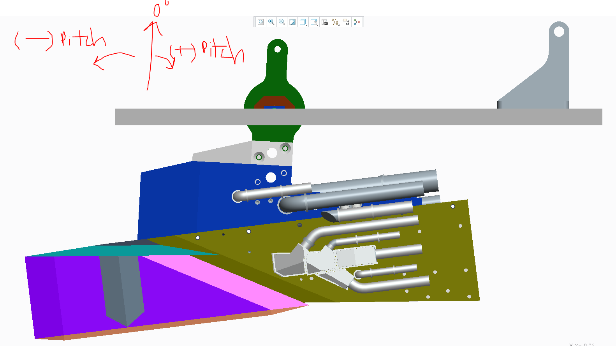
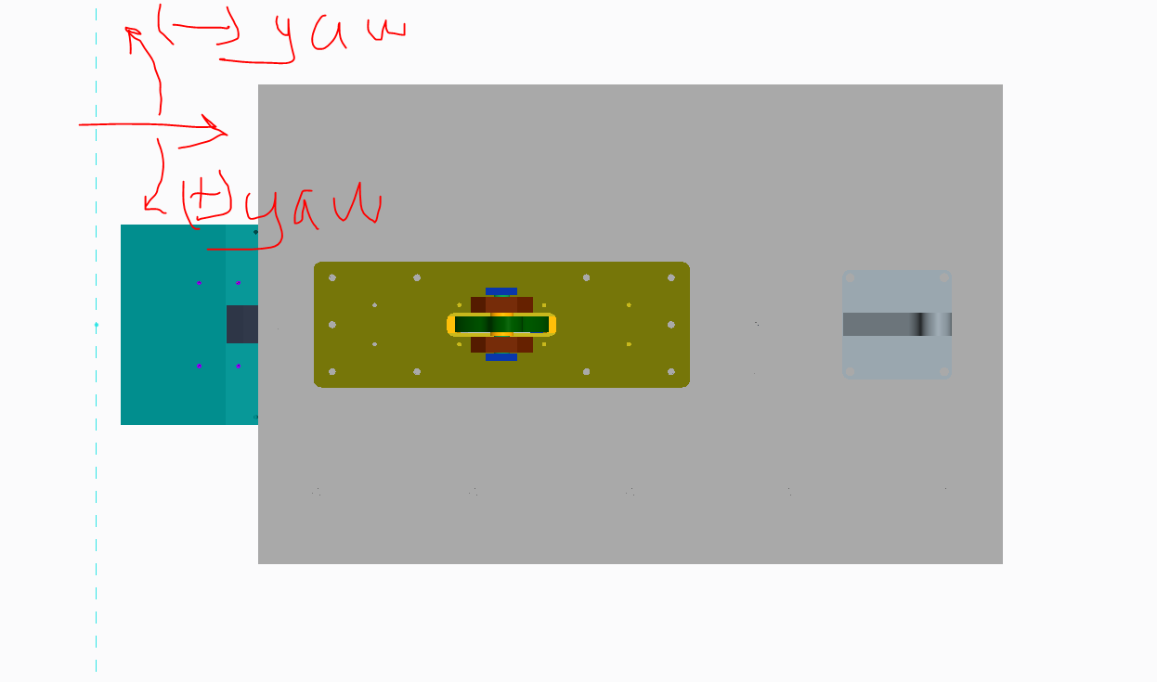
surf(0)=322
surf(1)=334
surf(2)=325
surf(3)=321
surf(4)=344
surf(5)=514
surf(6)=515
surf(7)=534
surf(8)=510
surf(9)=536
surf(10)=1969
surf(11)=1960
surf(12)=2431
surf(13)=1966
surf(14)=1961
surf(15)=2411
surf(16)=2024
surf(17)=2014
surf(18)=2027
surf(19)=2080
surf(20)=2418
surf(21)=2093
surf(22)=2233
surf(23)=2224
surf(24)=2229
surf(25)=2130
surf(26)=2128
surf(27)=2175
surf(28)=2171
surf(29)=1021
surf(30)=1072
surf(31)=1176
surf(32)=1175
surf(33)=1174
surf(34)=1230
surf(35)=1229
surf(36)=1228
surf(37)=1323
surf(38)=1327
surf(39)=1328 |  |  |  |  |  |  |  |  |  | 0 | 0
surf(40)=1324 |  |  |  |  |  |  |  |  |  | -12.5 | -0.5
surf(41)=636 |  |  |  |  |  |  |  |  |  | 0 | 0
surf(42)=618 |  |  |  |  |  |  |  |  |  | 0 | 0
surf(43)=2425 |  |  |  |  |  |  |  |  |  | 0 | 0
surf(44)=617 |  |  |  |  |  |  |  |  |  | 0 | 0
surf(45)=446 |  |  |  |  |  |  |  |  |  | -12.5 | -0.5
surf(46)=409 |  |  |  |  |  |  |  |  |  | 0 | 0
 |  |  |  |  |  |  |  |  |  | 0 | 0
 |  |  |  |  |  |  |  |  |  | 0 | 0
 |  |  |  |  |  |  |  |  |  | -9 | 3
 |  |  |  |  |  |  |  |  |  | 0 | 0
 |  |  |  |  |  |  |  |  |  | -0.5 | 11.5
 |  |  |  |  |  |  |  |  |  | 0 | 0
 |  |  |  |  |  |  |  |  |  | 0 | 0
 |  |  |  |  |  |  |  |  |  | 0 | 0
 |  |  |  |  |  |  |  |  |  | 0 | 0
 |  |  |  |  |  |  |  |  |  | 0 | 0
 |  |  |  |  |  |  |  |  |  | 0 | 0
 |  |  |  |  |  |  |  |  |  | 0 | 0
 |  |  |  |  |  |  |  |  |  | -7 | 5
 |  |  |  |  |  |  |  |  |  | -7 | 5
 |  |  |  |  |  |  |  |  |  | 3 | 15
 |  |  |  |  |  |  |  |  |  | 0 | 0
 |  |  |  |  |  |  |  |  |  | 0 | 0
 |  |  |  |  |  |  |  |  |  | 0 | 0
 |  |  |  |  |  |  |  |  |  | 0 | 0
 |  |  |  |  |  |  |  |  |  | 3 | 15
 |  |  |  |  |  |  |  |  |  | -7.8 | 4.2
 |  |  |  |  |  |  |  |  |  | -4.8 | 7.2
 |  |  |  |  |  |  |  |  |  | 1.5 | 13.5
 |  |  |  |  |  |  |  |  |  | -3.6 | 8.4
 |  |  |  |  |  |  |  |  |  | -0.5 | 11.5
 |  |  |  |  |  |  |  |  |  | 9.5 | 21.5
 |  |  |  |  |  |  |  |  |  | -0.6 | 11.4
 |  |  |  |  |  |  |  |  |  | 0 | 0
 |  |  |  |  |  |  |  |  |  | 0 | 0
 |  |  |  |  |  |  |  |  |  | 0 | 0
 |  |  |  |  |  |  |  |  |  | -0.6 | 11.4
 |  |  |  |  |  |  |  |  |  | 0 | 0
 |  |  |  |  |  |  |  |  |  | 0 | 0
 |  |  |  |  |  |  |  |  |  | 0 | 0
 |  |  |  |  |  |  |  |  |  | -0.6 | 11.4

